Calculation
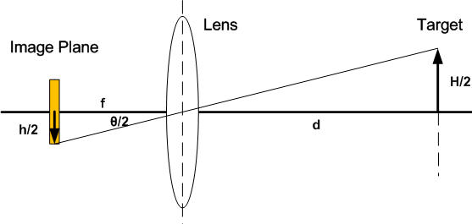
 | value | var name
Distance from lens to object [mm] | 50 | d
Max size of object [mm] | 70 | H
Min field of view [deg] | 87 | FOV
Sensor width [mm] | 3.2
Sensor height [mm] | 2.4 | ccd_h
Sensor aspect ratio | 1.33 | aspect
vertical FOV [deg] | 87 | VFOV
horisontal FOV [deg] | 116 | HFOV
diagonal FOV [deg] | 145 | DFOV
back focal length [mm] | 1.7142857143 | f

Lens Size [mm] (str på glasset mod chippen)

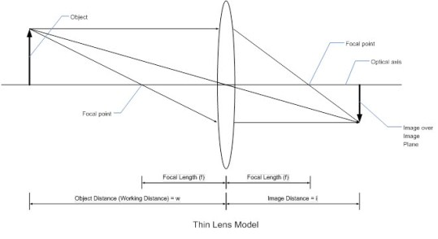

http://www.arducam.com/lenses/
https://www.e-consystems.com/Articles/Product-Design/choosing_custom_lens_camera.asp

